Sheet1
Or | Nombre | HP | Atk | Def | Vel | SpAt | SpDf
1 | bulbasaur | 45 | 49 | 49 | 45 | 65 | 65
2 | ivysaur | 60 | 62 | 63 | 60 | 80 | 80 | Mayor HP:
3 | venusaur | 80 | 82 | 83 | 80 | 100 | 100 | Eternatus Eternamax
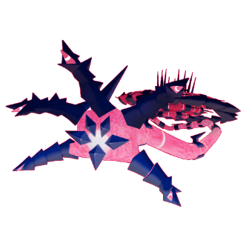
4 | weedle | 40 | 35 | 30 | 50 | 20 | 20
5 | kakuna | 45 | 25 | 50 | 35 | 25 | 25
6 | beedrill | 65 | 90 | 40 | 75 | 45 | 80
7 | ekans | 35 | 60 | 44 | 55 | 40 | 54
8 | arbok | 60 | 95 | 69 | 80 | 65 | 79
9 | nidoran-f | 55 | 47 | 52 | 41 | 40 | 40
10 | nidorina | 70 | 62 | 67 | 56 | 55 | 55 | HP: 255
11 | nidoqueen | 90 | 92 | 87 | 76 | 75 | 85
12 | nidoran-m | 46 | 57 | 40 | 50 | 40 | 40 | Mayor Defensa:
13 | nidorino | 61 | 72 | 57 | 65 | 55 | 55 | Eternatus Eternamax
14 | nidoking | 81 | 102 | 77 | 85 | 85 | 75
15 | zubat | 40 | 45 | 35 | 55 | 30 | 40
16 | golbat | 75 | 80 | 70 | 90 | 65 | 75
17 | oddish | 45 | 50 | 55 | 30 | 75 | 65
18 | gloom | 60 | 65 | 70 | 40 | 85 | 75
19 | vileplume | 75 | 80 | 85 | 50 | 110 | 90
20 | venonat | 60 | 55 | 50 | 45 | 40 | 55 | Def: 250
21 | venomoth | 70 | 65 | 60 | 90 | 90 | 75
22 | bellsprout | 50 | 75 | 35 | 40 | 70 | 30 | Mayor Ataque:
23 | weepinbell | 65 | 90 | 50 | 55 | 85 | 45 | Mega-Bedrill
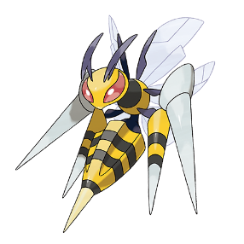
24 | victreebel | 80 | 105 | 65 | 70 | 100 | 70
25 | tentacool | 40 | 40 | 35 | 70 | 50 | 100
26 | tentacruel | 80 | 70 | 65 | 100 | 80 | 120
27 | grimer | 80 | 80 | 50 | 25 | 40 | 50
28 | muk | 105 | 105 | 75 | 50 | 65 | 100
29 | gastly | 30 | 35 | 30 | 80 | 100 | 35
30 | haunter | 45 | 50 | 45 | 95 | 115 | 55 | Atk: 150
31 | gengar | 60 | 65 | 60 | 110 | 130 | 75
32 | koffing | 40 | 65 | 95 | 35 | 60 | 45 | Mayor Velocidad:
33 | weezing | 65 | 90 | 120 | 60 | 85 | 70 | Mega-Bedrill
34 | spinarak | 40 | 60 | 40 | 30 | 40 | 40
35 | ariados | 70 | 90 | 70 | 40 | 60 | 70
36 | crobat | 85 | 90 | 80 | 130 | 70 | 80
37 | qwilfish | 65 | 95 | 85 | 85 | 55 | 55
38 | dustox | 60 | 50 | 70 | 65 | 50 | 90
39 | roselia | 50 | 60 | 45 | 65 | 100 | 80
40 | gulpin | 70 | 43 | 53 | 40 | 43 | 53 | Speed: 141
41 | swalot | 100 | 73 | 83 | 55 | 73 | 83
42 | seviper | 73 | 100 | 60 | 65 | 100 | 60
43 | budew | 40 | 30 | 35 | 55 | 50 | 70
44 | roserade | 60 | 70 | 65 | 90 | 125 | 105
45 | stunky | 63 | 63 | 47 | 74 | 41 | 41
46 | skuntank | 103 | 93 | 67 | 84 | 71 | 61 | Mayor Ataque.Especial
47 | skorupi | 40 | 50 | 90 | 65 | 30 | 55 | Mega-Gengar
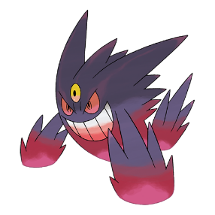
48 | drapion | 70 | 90 | 110 | 95 | 60 | 75
49 | croagunk | 48 | 61 | 40 | 50 | 61 | 40
50 | toxicroak | 83 | 106 | 65 | 85 | 86 | 65
51 | venipede | 30 | 45 | 59 | 57 | 30 | 39
52 | whirlipede | 40 | 55 | 99 | 47 | 40 | 79
53 | scolipede | 60 | 100 | 89 | 112 | 55 | 69
54 | trubbish | 50 | 50 | 62 | 65 | 40 | 62 | Sp.Atk: 170
55 | garbodor | 80 | 95 | 82 | 75 | 60 | 82
56 | foongus | 69 | 55 | 45 | 15 | 55 | 55 | Mayor Defensa Especial:
57 | amoonguss | 114 | 85 | 70 | 30 | 85 | 80 | Eternatus Eternamax
58 | skrelp | 50 | 60 | 60 | 30 | 60 | 60
59 | dragalge | 65 | 75 | 90 | 44 | 97 | 123
60 | mareanie | 50 | 53 | 62 | 45 | 43 | 52
61 | toxapex | 50 | 63 | 152 | 35 | 53 | 142
62 | salandit | 48 | 44 | 40 | 77 | 71 | 40
63 | salazzle | 68 | 64 | 60 | 117 | 111 | 60
64 | nihilego | 109 | 53 | 47 | 103 | 127 | 131 | SpDef: 250
65 | poipole | 67 | 73 | 67 | 73 | 73 | 67
66 | naganadel | 73 | 73 | 73 | 121 | 127 | 73
67 | toxel | 40 | 38 | 35 | 40 | 54 | 35
68 | toxtricity-amped | 75 | 98 | 70 | 75 | 114 | 70
69 | eternatus | 140 | 85 | 95 | 130 | 145 | 95
70 | sneasler | 80 | 130 | 60 | 120 | 40 | 80
71 | overqwil | 85 | 115 | 95 | 85 | 65 | 65
72 | shroodle | 40 | 65 | 35 | 75 | 40 | 35
73 | grafaiai | 63 | 95 | 65 | 110 | 80 | 72
74 | varoom | 45 | 70 | 63 | 47 | 30 | 45
75 | revavroom | 80 | 119 | 90 | 90 | 54 | 67
76 | glimmet | 48 | 35 | 42 | 60 | 105 | 60
77 | glimmora | 83 | 55 | 90 | 86 | 130 | 81
78 | clodsire | 130 | 75 | 60 | 20 | 45 | 100
79 | iron-moth | 80 | 70 | 60 | 110 | 140 | 110
80 | okidogi | 88 | 128 | 115 | 80 | 58 | 86
81 | munkidori | 88 | 75 | 66 | 106 | 130 | 90
82 | fezandipiti | 88 | 91 | 82 | 99 | 70 | 125
83 | pecharunt | 88 | 88 | 160 | 88 | 88 | 88
84 | venusaur-mega | 80 | 100 | 123 | 80 | 122 | 120
85 | gengar-mega | 60 | 65 | 80 | 130 | 170 | 95
86 | beedrill-mega | 65 | 150 | 40 | 145 | 15 | 80
87 | grimer-alola | 80 | 80 | 50 | 25 | 40 | 50
88 | muk-alola | 105 | 105 | 75 | 50 | 65 | 100
89 | salazzle-totem | 68 | 64 | 60 | 117 | 111 | 60
90 | slowbro-galar | 95 | 100 | 95 | 30 | 100 | 70
91 | weezing-galar | 65 | 90 | 120 | 60 | 85 | 70
92 | slowking-galar | 95 | 65 | 80 | 30 | 110 | 110
93 | toxtricity-low-key | 75 | 98 | 70 | 75 | 114 | 70
94 | eternatus-eternamax | 255 | 115 | 250 | 130 | 125 | 250
95 | venusaur-gmax | 80 | 82 | 83 | 80 | 100 | 100
96 | gengar-gmax | 60 | 65 | 60 | 110 | 130 | 75
97 | garbodor-gmax | 80 | 95 | 82 | 75 | 60 | 82
98 | toxtricity-amped-gmax | 75 | 98 | 70 | 75 | 114 | 70
99 | toxtricity-low-key-gmax | 75 | 98 | 70 | 75 | 114 | 70
100 | qwilfish-hisui | 65 | 95 | 85 | 85 | 55 | 55
101 | sneasel-hisui | 55 | 95 | 55 | 115 | 35 | 75
102 | wooper-paldea | 55 | 45 | 45 | 15 | 25 | 25

